Budget
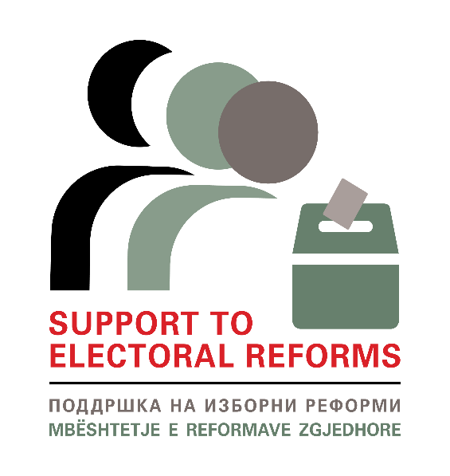

 | BUDGET FORM

 | INNOVATIVE INITIATIVES - SUPPORT TO ELECTORAL REFORMS PROJECT
 | In-kind Support Budget
 | Name of the applicant:
 | Name of the innovative initiative:
 | Implementation period | (dd/mm/yy-dd/mm/yy)

 | *Please use the same numbering from the table of activities
Activity Number | Budget line | Unit | Number of units | Cost per unit | Total
 |  |  | 0 | - | -
 |  |  | 0 | - | -
 |  |  | 0 | - | -
 |  |  | 0 | - | -
 |  |  | 0 | - | -
 |  |  | 0 | - | -
 |  |  | 0 | - | -
TOTAL cost |  |  |  |  | -

 | *Please have in mind that the official currency is MKD
 | Budget line: Goods which can be purchased with given prices (ex. Food, drinks, conference rooms etc.)
 | Unit: Type of goods (if its conference room it would be days, if its drinks it would be bottle, if its printed materials it would be pages)
 | Number of unit: How much units you need. For ex. If you prepare workshop and you expect 20 people, you will need 20 bottles of water.
 | Cost per unit: In the given example, cost per unit would be how much one bottle of water costs.
 | In total: Number of bottles (20) multiplied by the cost per one bottle.
 | * Add rows as you need

